UGA_pnts_buff2km_new
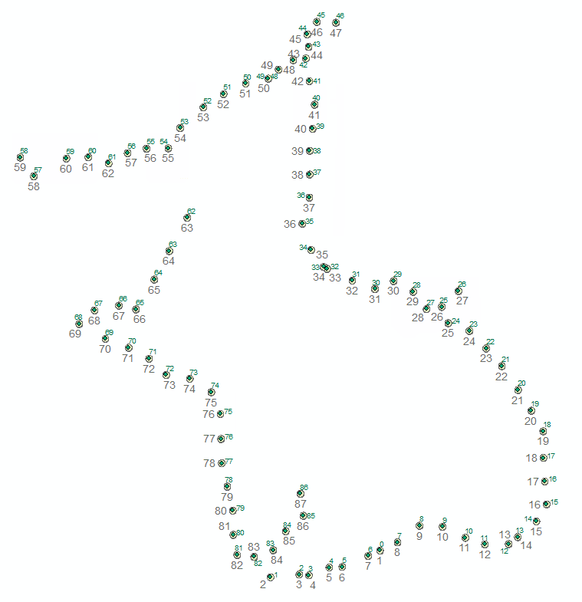
OBJECTID | UGA_FID_ | field_id | r_0____ | Location | Date | Comments | SurveyDay | District | Province | area_m2 | Centre_Lon | Centre_Lat | Cass_Prod | Cass_HA | SPAM2010 | Population | BUFF_DIST | ORIG_FID | Shape_Length | Shape_Area | CENTROID_X | CENTROID_Y | OBJECTID | FID_
1 | 0 | 0 | 0 |  | 2/5/18 |  | 0 |  |  | 34190.61393 | 33.3056984 | 0.496667 | 0.973817 | 0.173606 | 1456.4000244 | 13 | 2000 | 0 | 0.11324977299 | 0.0010202688835 | 33.305698395 | 0.4966670034 | 1 | 0
2 | 1 | 1 | 1 | Nabuta | 2/6/18 |  | 1 | Mukono |  | 8527.1461498 | 32.7285995 | 0.355417 | 21.9985008 | 8.6348 | 606.7000122 | 518 | 2000 | 1 | 0.11324876782 | 0.0010202506773 | 32.728599548 | 0.35541701728 | 2 | 1
3 | 2 | 2 | 2 | Namagunga | 2/6/18 | low density cassava fields, heavily intercropped. WE WERE NOT ALLOWED TO access SE quadrant, which was agricultural | 1 | Mukono | Central | 34191.170309 | 32.8797989 | 0.37 | 118.9110031 | 46.6745987 | 808 | 2800 | 2000 | 2 | 0.11324885599 | 0.0010202522742 | 32.879798889 | 0.370000009 | 3 | 2
4 | 3 | 3 | 3 | Membera forest | 2/6/18 | did not stop, heavy rainy and heavy forest | 1 |  |  | 34191.185848 | 32.9306984 | 0.365833 | 70.6668015 | 27.7381001 | 383.1000061 | 1664 | 2000 | 3 | 0.11324883038 | 0.0010202518103 | 32.930698395 | 0.36583301851 | 4 | 3
5 | 4 | 4 | 4 | Members forest |  | heavy forest | 1 |  |  | 8520.149046 | 33.0377998 | 0.407083 | 5.9879999 | 2.3504 | 739.9000244 | 141 | 2000 | 4 | 0.11324909626 | 0.0010202566262 | 33.037799835 | 0.40708300945 | 5 | 4
6 | 5 | 5 | 5 |  | 2/6/18 |  | 0 |  |  | 34191.01218 | 33.1064987 | 0.41 | 3.6522501 | 1.43358 | 945.9000244 | 86 | 2000 | 5 | 0.11324911652 | 0.0010202569932 | 33.106498718 | 0.41000000122 | 6 | 5
7 | 6 | 6 | 6 | Jinja | 2/6/18 | urban count households from basemap | 1 |  |  | 8546.4433967 | 33.2435989 | 0.46875 | -9999 | -9999 | 1305.8000488 | 10223 | 2000 | 6 | 0.11324954781 | 0.0010202648048 | 33.243598938 | 0.46875000544 | 7 | 6
8 | 7 | 7 | 7 | Bugodi | 2/6/18 | rural | 1 | Mayuge | Eastern | 34190.381689 | 33.398201 | 0.540833 | 73.3270035 | 30.1704006 | 3008.8999023 | 1120 | 2000 | 7 | 0.11325015556 | 0.0010202758127 | 33.398200989 | 0.54083300268 | 8 | 7
9 | 8 | 8 | 8 | Nakalama | 2/7/18 | area next to school, rural | 2 |  | Eastern | 34189.863209 | 33.5139999 | 0.628332 | 209.4089966 | 19.2789993 | 2955.6999512 | 811 | 2000 | 8 | 0.11325100917 | 0.0010202912737 | 33.513999939 | 0.62833202603 | 9 | 8
10 | 9 | 9 | 9 | Bwigula near Idudi | 2/7/18 | rural, drunken men | 2 |  |  | 34189.900182 | 33.6357002 | 0.6225 | 156.9920044 | 14.4533005 | 2855.8000488 | 608 | 2000 | 9 | 0.11325094872 | 0.0010202901789 | 33.635700226 | 0.62250000958 | 10 | 9
11 | 10 | 10 | 10 | Mukubabi cell | 2/7/18 | urban, hotel and security office in the area | 2 | Bugiri | Eastern | 8538.7667914 | 33.7560997 | 0.564583 | 476.3619995 | 50 | 2255.5 | 4739 | 2000 | 10 | 0.11325037484 | 0.0010202797844 | 33.756099701 | 0.56458301005 | 11 | 10
12 | 11 | 11 | 11 | Buwuni | 2/7/18 | rural, maize and rice mostly, policemen | 2 | Bugiri | Eastern | 34190.440484 | 33.8590012 | 0.53 | 0 | 0 | 562 | 5731 | 2000 | 11 | 0.11325005808 | 0.0010202740473 | 33.85900116 | 0.52999997757 | 12 | 11
13 | 12 | 12 | 12 | Busitema forest | 2/7/18 | heavy forest did not survey probably no cassava, no population | 2 |  |  | 34190.431516 | 33.9840012 | 0.531667 | 12.1069002 | 6.6305099 | 357 | 89 | 2000 | 12 | 0.11325007293 | 0.0010202743162 | 33.98400116 | 0.53166700034 | 13 | 12
14 | 13 | 13 | 13 | Busiten | 2/7/18 | rural, lady with kid who was afraid of us | 2 | Busiya | Eastern | 34190.227099 | 34.032299 | 0.568333 | 455.4370117 | 50 | 1808.4000244 | 3348 | 2000 | 13 | 0.11325041005 | 0.0010202804222 | 34.032299042 | 0.56833297662 | 14 | 13
15 | 14 | 14 | 14 | Magoro | 2/7/18 | rural, small town near school, felt like sburb | 2 | Tororo | Eastern | 34189.717333 | 34.1306992 | 0.650833 | 109.086998 | 21.1135998 | 5488.1000977 | 292 | 2000 | 14 | 0.11325125006 | 0.0010202956368 | 34.130699158 | 0.65083301812 | 15 | 14
16 | 15 | 15 | 15 | Mukuju | 2/7/18 |  | 2 | Tororo | Eastern | 34189.082544 | 34.1847992 | 0.740833 | 197.253006 | 38.1778984 | 6052.7998047 | 528 | 2000 | 15 | 0.11325229541 | 0.0010203145706 | 34.184799194 | 0.74083299293 | 16 | 15
17 | 16 | 16 | 16 | Wokukiri | 2/7/18 | rural | 2 | Mbale | Eastern | 34188.101172 | 34.1748009 | 0.861667 | 186.7920074 | 36.1534004 | 2296.5 | 500 | 2000 | 16 | 0.11325391299 | 0.0010203438684 | 34.174800873 | 0.86166698734 | 17 | 16
18 | 17 | 17 | 17 | Butebo | 2/7/18 |  | 2 | Mbale | Eastern | 17089.570695 | 34.1677017 | 0.985833 | 55.9132996 | 5.6141901 | 2321.6999512 | 1522 | 2000 | 17 | 0.11325582841 | 0.0010203785605 | 34.167701721 | 0.98583300058 | 18 | 17
19 | 18 | 18 | 18 | Najja | 2/8/18 | suburban | 3 | Mbale | Eastern | 34185.430763 | 34.1665001 | 1.12667 | 31.3363991 | 3.14645 | 2296.5 | 853 | 2000 | 18 | 0.11325831373 | 0.0010204235739 | 34.166500092 | 1.126670016 | 19 | 18
20 | 19 | 19 | 19 | Kachumbala | 2/8/18 | rural | 3 | Bukedea | Eastern | 34184.13413 | 34.1040001 | 1.235 | 478.0079956 | 50 | 2549.3999023 | 1838 | 2000 | 19 | 0.11326045051 | 0.0010204622743 | 34.104000092 | 1.2350000286 | 20 | 19
21 | 20 | 20 | 20 | Cabul | 2/8/18 | rural 1km offroad, variety also Magana | 3 | Bukedea |  | 34182.707205 | 34.0340004 | 1.34417 | 34.5892982 | 9.1419401 | 1818.9000244 | 133 | 2000 | 20 | 0.11326280257 | 0.0010205048732 | 34.034000397 | 1.3441699899 | 21 | 20
22 | 21 | 21 | 21 | Abubur | 2/8/18 | rural, next to main road | 3 | Kumi | Eastern | 34180.912587 | 33.9482002 | 1.47 | 66.989502 | 37.7627983 | 3055.5 | 714 | 2000 | 21 | 0.11326576142 | 0.001020558461 | 33.948200226 | 1.4700000456 | 22 | 21
23 | 22 | 22 | 22 | Agogomit | 2/8/18 | rural | 3 | Ngora | Eastern | 34179.47783 | 33.8656998 | 1.5633301 | 34.3391991 | 19.3574009 | 1590.0999756 | 366 | 2000 | 22 | 0.1132681265 | 0.0010206012944 | 33.865699768 | 1.5633300724 | 23 | 22
24 | 23 | 23 | 23 |  | 2/8/18 | rural | 3 |  |  | 34177.968787 | 33.7773018 | 1.65583 | 4.5973201 | 2.5915699 | 1271.1999512 | 49 | 2000 | 23 | 0.11327061448 | 0.001020646353 | 33.777301788 | 1.6558300448 | 24 | 23
25 | 24 | 24 | 24 | Alatu | 2/8/18 | rural | 3 | Soroti | Eastern | 34177.275048 | 33.665699 | 1.6966701 | 6.8125 | 1.29684 | 3185.3999023 | 283 | 2000 | 24 | 0.11327175864 | 0.0010206670741 | 33.665699005 | 1.696670075 | 25 | 24
26 | 25 | 25 | 25 |  | 2/8/18 | very rural, not inhabited | 3 |  |  | 34175.761694 | 33.6315002 | 1.7825 | 8.6179399 | 1.64053 | 2637.3999023 | 358 | 2000 | 25 | 0.11327425392 | 0.0010207122641 | 33.631500244 | 1.7825000492 | 26 | 25
27 | 26 | 26 | 26 | Aten | 2/8/18 | rural | 3 | Amuria |  | 34174.220997 | 33.719799 | 1.8658299 | 6.00845 | 9.7327995 | 175.6999969 | 144 | 2000 | 26 | 0.11327679469 | 0.001020758277 | 33.719799042 | 1.8658299662 | 27 | 26
28 | 27 | 27 | 27 | Awasai | 2/9/18 | rural | 4 | Soroti | Eastern | 34175.971777 | 33.5514984 | 1.77083 | 1.54064 | 0.293279 | 2394.8000488 | 64 | 2000 | 27 | 0.11327390787 | 0.0010207059969 | 33.551498413 | 1.7708300556 | 28 | 27
29 | 28 | 28 | 28 | Katine | 2/9/18 | rural | 4 | Soroti | Eastern | 34174.283976 | 33.4807014 | 1.8625 | 1.46842 | 0.279532 | 1706.5 | 61 | 2000 | 28 | 0.11327669098 | 0.001020756399 | 33.480701447 | 1.8624999738 | 29 | 28
30 | 29 | 29 | 29 |  | 2/9/18 | rural | 0 |  |  | 34173.198023 | 33.3773003 | 1.91917 | 45.4944992 | 23.7858009 | 532.7999878 | 363 | 2000 | 29 | 0.11327848289 | 0.0010207888498 | 33.377300262 | 1.9191700442 | 30 | 29
31 | 30 | 30 | 30 | Kakore | 2/9/18 |  | 4 | Kaberamaido | Eastern | 34174.015538 | 33.2789993 | 1.87667 | 49.6302986 | 25.9482002 | 1428.0999756 | 396 | 2000 | 30 | 0.11327713441 | 0.0010207644293 | 33.278999329 | 1.8766700247 | 31 | 30
32 | 31 | 31 | 31 | Okole | 2/9/18 | rural, close to town | 4 | Dokolo |  | 34173.165591 | 33.1598015 | 1.92083 | 202.0809937 | 47.8991013 | 551.7999878 | 854 | 2000 | 31 | 0.1132785358 | 0.0010207898079 | 33.159801483 | 1.9208300336 | 32 | 31
33 | 32 | 32 | 32 |  |  | middle of swamp no cassava | 0 |  |  | 34171.929061 | 33.0265007 | 1.98333 | 0.709886 | 0.168264 | 85.8000031 | 3 | 2000 | 32 | 0.11328057541 | 0.0010208267442 | 33.026500702 | 1.9833300343 | 33 | 32
34 | 33 | 33 | 33 | Okwor | 2/9/18 | rural | 4 | Dokomo |  | 34171.727544 | 33.0082016 | 1.99333 | 17.5105 | 4.1505098 | 85.8000031 | 74 | 2000 | 33 | 0.11328090841 | 0.0010208327747 | 33.008201599 | 1.993330025 | 34 | 33
35 | 34 | 34 | 34 | Abalala | 2/9/18 |  | 4 | Lira |  | 34169.885884 | 32.9422989 | 2.0825 | 4.0857902 | 5.4684 | 148.6000061 | 205 | 2000 | 34 | 0.1132839465 | 0.0010208877921 | 32.942298889 | 2.082500005 | 35 | 34
36 | 35 | 35 | 35 | Lira | 2/9/18 | suburban, near river | 0 | Lira | Northern | 34166.850549 | 32.8956985 | 2.2216699 | 59.3137016 | 50 | 833.5999756 | 2976 | 2000 | 35 | 0.11328895474 | 0.0010209784851 | 32.895698547 | 2.2216699381 | 36 | 35
37 | 36 | 36 | 36 | Opimo | 2/10/18 | very rural, lots of maize and cotton | 5 | Lira | Northern | 34163.65887 | 32.9332008 | 2.35917 | 17.5589008 | 23.5007992 | 694.7000122 | 881 | 2000 | 36 | 0.11329422249 | 0.001021073875 | 32.933200836 | 2.3591699874 | 37 | 36
38 | 37 | 37 | 37 | Agwang | 2/10/18 | edge of small town | 5 | Lira | Northern | 34160.675006 | 32.9347992 | 2.48083 | 19.7513008 | 26.4349995 | 948 | 991 | 2000 | 37 | 0.11329914749 | 0.0010211630557 | 32.934799194 | 2.4808299829 | 38 | 37
39 | 38 | 38 | 38 |  | 2/10/18 |  | 5 | Lira | Northern | 34157.453233 | 32.9347992 | 2.60583 | 0.271609 | 0.368161 | 31.1000004 | 27 | 2000 | 38 | 0.11330446644 | 0.0010212593671 | 32.934799194 | 2.6058299843 | 39 | 38
40 | 39 | 39 | 39 | Dogatub | 2/10/18 | rural, sorghum area. most people live away from road due to the war in the past | 5 | Pader | Northern | 34154.326446 | 32.9497986 | 2.7216699 | 1.0160201 | 1.37719 | 9.5 | 101 | 2000 | 39 | 0.11330963054 | 0.001021352872 | 32.949798584 | 2.7216699439 | 40 | 39
41 | 40 | 40 | 40 | Lakwe | 2/10/18 | rural after stretvh of not inhabited area | 5 | Pader | Northern | 34150.727622 | 32.960701 | 2.84917 | 0.895303 | 1.21357 | 25.7999992 | 89 | 2000 | 40 | 0.11331557486 | 0.0010214605007 | 32.960700989 | 2.8491700025 | 41 | 40
42 | 41 | 41 | 41 | Lageya | 2/10/18 | small town | 5 | Pader | Northern | 34147.064657 | 32.9332008 | 2.97333 | 2.65573 | 3.5997901 | 76.5999985 | 264 | 2000 | 41 | 0.11332162643 | 0.0010215700676 | 32.933200836 | 2.9733300554 | 42 | 41
43 | 42 | 42 | 42 |  | 2/10/18 | rural, sorghum everywhere. small cassava field was present behind study area | 5 | Pader | Northern | 34143.376261 | 32.9147987 | 3.0933299 | 0.72429 | 0.981761 | 69.1999969 | 72 | 2000 | 42 | 0.11332772176 | 0.001021680423 | 32.914798737 | 3.0933299424 | 43 | 42
44 | 43 | 43 | 43 | Wangpoke | 2/10/18 | verification site, rural, checking what people are growing offroad | 5 |  | Northern | 34141.450755 | 32.9290009 | 3.15417 | 0.432562 | 0.58633 | 41.4000015 | 43 | 2000 | 43 | 0.11333090486 | 0.0010217380513 | 32.929000855 | 3.1541700728 | 44 | 43
45 | 44 | 44 | 44 | Oyuru | 2/10/18 | periurban | 5 | Kitgum | Northern | 34139.324773 | 32.9222984 | 3.22 | 0.117085 | 2.9894099 | 55.7000008 | 169 | 2000 | 44 | 0.11333441949 | 0.0010218016806 | 32.922298431 | 3.2200000659 | 45 | 44
46 | 45 | 45 | 45 | Lumule | 2/11/18 | not inhabited, extension worker mentioned people grow cassava but they are scattered. | 6 | Kitgum | Northern | 34137.154912 | 32.9723015 | 3.28583 | 0.0138562 | 0.353776 | 43.9000015 | 20 | 2000 | 45 | 0.11333800696 | 0.0010218666273 | 32.972301483 | 3.2858300589 | 46 | 45
47 | 46 | 46 | 46 | Labilo | 2/11/18 | rural | 6 | Kitgum | Northern | 34137.293546 | 33.0732002 | 3.2816701 | 0.0575034 | 1.46817 | 22.7000008 | 83 | 2000 | 46 | 0.11333777776 | 0.0010218624781 | 33.073200226 | 3.2816701316 | 47 | 46
48 | 47 | 47 | 47 | Okinga | 2/11/18 | rural, trading centre | 6 | Pader | Northern | 34143.663157 | 32.8482018 | 3.0841701 | 7.8766599 | 10.6766996 | 69.1999969 | 783 | 2000 | 47 | 0.11332724781 | 0.0010216718424 | 32.848201752 | 3.0841701388 | 48 | 47
49 | 48 | 48 | 48 | Lukaloye | 2/11/18 | extra stop for verification rural | 6 | Kitgum | Northern | 34145.213068 | 32.7706985 | 3.0341699 | 0.663933 | 0.899948 | 15.8000002 | 66 | 2000 | 48 | 0.11332468657 | 0.0010216254717 | 32.770698547 | 3.0341699474 | 49 | 48
50 | 49 | 49 | 49 |  | 2/11/18 | rural | 6 |  |  | 34146.662036 | 32.7164993 | 2.98667 | 2.01192 | 2.7271099 | 45.7999992 | 200 | 2000 | 49 | 0.11332229224 | 0.0010215821222 | 32.716499329 | 2.9866700518 | 50 | 49
51 | 50 | 50 | 50 | Gogwiri | 2/11/18 | rural | 6 | Pader | Northern | 34147.440479 | 32.5973015 | 2.96083 | 0.291728 | 0.395432 | 18.6000004 | 29 | 2000 | 50 | 0.11332100563 | 0.0010215588278 | 32.597301483 | 2.9608300076 | 51 | 50
52 | 51 | 51 | 51 | Ceka | 2/11/18 | rural | 6 | Gulu | Northern | 34149.099835 | 32.4807014 | 2.905 | 3.35165 | 1.31537 | 613 | 42 | 2000 | 51 | 0.1133182642 | 0.001021509193 | 32.480701447 | 2.905000005 | 52 | 51
53 | 52 | 52 | 52 |  | 2/11/18 | no people very rural | 6 |  |  | 34151.135621 | 32.3740005 | 2.835 | 7.4215202 | 2.9126 | 468.5 | 93 | 2000 | 52 | 0.11331490088 | 0.0010214482976 | 32.374000549 | 2.8350000709 | 53 | 52
54 | 53 | 53 | 53 |  | 2/11/18 | rural | 6 |  |  | 34154.211439 | 32.2514992 | 2.7258301 | 10.4540005 | 4.1027002 | 794.5999756 | 131 | 2000 | 53 | 0.11330982042 | 0.00102135631 | 32.251499176 | 2.7258301097 | 54 | 53
55 | 54 | 54 | 54 | Bungara | 2/11/18 | rural | 6 | Guja | Northern | 34157.100236 | 32.1889992 | 2.61917 | 0.319205 | 0.125273 | 761.7000122 | 4 | 2000 | 54 | 0.11330505004 | 0.0010212699343 | 32.188999176 | 2.6191699808 | 55 | 54
56 | 55 | 55 | 55 | Lapem | 2/11/18 |  | 6 | Nwoya | Northern | 34157.144459 | 32.0740013 | 2.6175001 | 7.1023102 | 2.7873299 | 476.2999878 | 89 | 2000 | 55 | 0.11330497615 | 0.0010212685965 | 32.074001312 | 2.6175000971 | 56 | 55
57 | 56 | 56 | 56 | Ogom | 2/11/18 | rural | 6 | Nwoya | Northern | 34157.782532 | 31.9740009 | 2.5933299 | 2.1546299 | 0.845595 | 843.7999878 | 27 | 2000 | 56 | 0.1133039229 | 0.0010212495253 | 31.974000931 | 2.5933299365 | 57 | 56
58 | 57 | 57 | 57 | Mujugula | 2/12/18 | periurban/rural plenty of cassava behind the village | 7 | Pakwach | Northern | 34160.905041 | 31.4790001 | 2.4716699 | 501.1059875 | 50 | 988.5999756 | 1558 | 2000 | 57 | 0.11329876798 | 0.0010211561837 | 31.479000092 | 2.471669941 | 58 | 57
59 | 58 | 58 | 58 |  |  |  | 0 |  |  | 34158.371282 | 31.4081993 | 2.5708301 | 176.2559967 | 50 | 1708.5999756 | 548 | 2000 | 58 | 0.11330295096 | 0.0010212319263 | 31.40819931 | 2.5708301365 | 59 | 58
60 | 59 | 59 | 59 | Latoro | 2/12/18 | inhabited village next to park, verification site | 7 |  |  | 34158.523084 | 31.6515007 | 2.5650001 | 0.0798013 | 0.0313183 | 219.5 | 1 | 2000 | 59 | 0.11330269981 | 0.0010212273787 | 31.651500702 | 2.565000087 | 60 | 59
61 | 60 | 60 | 60 | Wianaka | 2/12/18 | rural | 7 | Nwoya | Northern | 34158.349568 | 31.7672997 | 2.5716701 | 0.798013 | 0.313183 | 66 | 10 | 2000 | 60 | 0.11330298687 | 0.0010212325766 | 31.767299652 | 2.5716700852 | 61 | 60
62 | 61 | 61 | 61 | Pawatomeru | 2/12/18 | rural | 7 | Nwoya | Northern | 34159.191207 | 31.8740005 | 2.53917 | 0.239404 | 0.093955 | 727.2000122 | 3 | 2000 | 61 | 0.11330159725 | 0.0010212074144 | 31.874000549 | 2.5391700562 | 62 | 61
63 | 62 | 62 | 62 |  | 2/12/18 | periurban, near small town | 7 | Oyam | Northern | 34166.151498 | 32.2890015 | 2.2525001 | 1.68217 | 0.508101 | 2876.5 | 9 | 2000 | 62 | 0.1132901084 | 0.0010209993763 | 32.289001465 | 2.2525000834 | 63 | 62
64 | 63 | 63 | 63 | Latworo | 2/12/18 | rural | 7 | Kiryandongo |  | 34169.991287 | 32.1940002 | 2.0775001 | 5.13203 | 2.88763 | 1132.0999756 | 60 | 2000 | 63 | 0.11328377219 | 0.0010208846355 | 32.194000244 | 2.077500129 | 64 | 63
65 | 64 | 64 | 64 | Silvia | 2/12/18 |  | 7 | Kirandongo | Northern | 34173.051856 | 32.1147995 | 1.92667 | 10.2641001 | 5.77526 | 1325.0999756 | 120 | 2000 | 64 | 0.11327872352 | 0.0010207932075 | 32.1147995 | 1.9266699775 | 65 | 64
66 | 65 | 65 | 65 |  | 2/13/18 | rural | 8 |  |  | 34176.001676 | 32.0181999 | 1.76917 | 17.4489002 | 9.8179398 | 741.5999756 | 204 | 2000 | 65 | 0.11327385883 | 0.0010207051089 | 32.018199921 | 1.7691700665 | 66 | 65
67 | 66 | 66 | 66 |  | 2/13/18 | rural | 8 |  |  | 34175.641028 | 31.9281998 | 1.78917 | 30.9631996 | 17.4220009 | 1118.1999512 | 362 | 2000 | 66 | 0.11327445368 | 0.0010207158816 | 31.928199768 | 1.7891700475 | 67 | 66
68 | 67 | 67 | 67 | Kasomoro | 2/13/18 | rural, family settling now, no seeds grown yet | 8 | Masindi | Western | 34176.091205 | 31.7998009 | 1.7641701 | 7.5269699 | 4.2351899 | 836 | 88 | 2000 | 67 | 0.11327371086 | 0.0010207024292 | 31.799800873 | 1.7641700711 | 68 | 67
69 | 68 | 68 | 68 | Masindi | 2/13/18 | suburban | 8 | Masindi | Western | 34177.346611 | 31.7189999 | 1.6925 | 177.654007 | 50 | 1530.5 | 2077 | 2000 | 68 | 0.11327164069 | 0.0010206649379 | 31.718999863 | 1.6925000149 | 69 | 68
70 | 69 | 69 | 69 | Kabutkuru | 2/13/18 | rural, large burnt area on the side | 8 | Masindi | Western | 34178.659268 | 31.8572998 | 1.61417 | 15.5670996 | 8.75914 | 148.3000031 | 182 | 2000 | 69 | 0.11326947644 | 0.0010206257425 | 31.857299805 | 1.614169974 | 70 | 69
71 | 70 | 70 | 70 | Kimengo | 2/13/18 | rural, area subjected to flooding no cassava | 8 | Masindi | Western | 17089.253467 | 31.9797993 | 1.56708 | 3.1647501 | 1.7807 | 130.8000031 | 37 | 2000 | 70 | 0.11326822465 | 0.0010206030719 | 31.979799271 | 1.5670800391 | 71 | 70
72 | 71 | 71 | 71 | Kikooba | 2/13/18 | rural | 8 | Nakasongola | Central | 34180.321251 | 32.0872993 | 1.5091701 | 22.3211002 | 4.9415398 | 286.3999939 | 86 | 2000 | 71 | 0.11326673639 | 0.0010205761184 | 32.087299347 | 1.5091700729 | 72 | 71
73 | 72 | 72 | 72 |  | 2/13/18 | rural no houses, snake encountered, did not seem to have any cassava. examined 100x100 | 8 |  |  | 8518.1061742 | 32.1777 | 1.42292 | 1.55729 | 0.344759 | 747.5 | 6 | 2000 | 72 | 0.11326462321 | 0.001020537847 | 32.177700043 | 1.4229200051 | 73 | 72
74 | 73 | 73 | 73 | Walusi | 2/13/18 | rural | 8 | Nakasongola | Central | 34181.883364 | 32.3022995 | 1.40333 | 0.778644 | 0.172379 | 870 | 3 | 2000 | 73 | 0.11326416054 | 0.0010205294675 | 32.302299499 | 1.4033299847 | 74 | 73
75 | 74 | 74 | 74 |  | 2/13/18 | semiurban | 8 | Nakasongola | Central | 34182.865464 | 32.415699 | 1.3325 | 38.4131012 | 8.5040398 | 806.9000244 | 148 | 2000 | 74 | 0.11326254175 | 0.0010205001493 | 32.415699005 | 1.3324999964 | 75 | 74
76 | 75 | 75 | 75 | Kyalweza | 2/14/18 | pine forest on the left hand size and no cassava. field on rand hand side. left hand side should be used for analysis. | 9 | Nakasongola | Central | 34184.351641 | 32.4640007 | 1.2175 | 17.9088001 | 3.96472 | 772.7000122 | 69 | 2000 | 75 | 0.11326009232 | 0.001020455787 | 32.464000702 | 1.2174999855 | 76 | 75
...

UGA_pnts_buff2km_diss_new
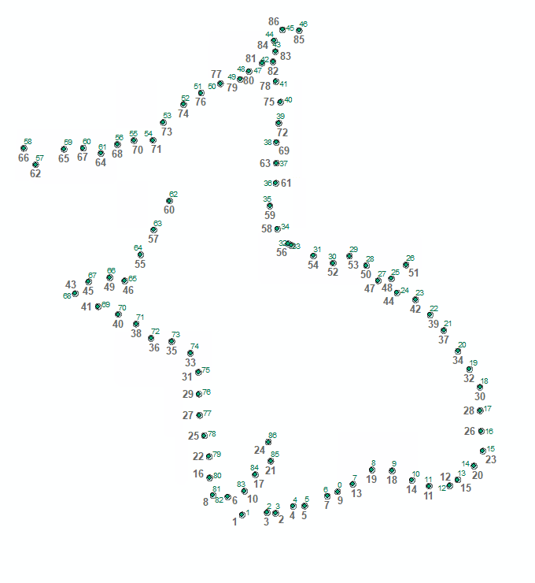
CENTROID_X | CENTROID_Y | Buff_2km_Id | UGA_Id | check
31.40819931 | 2.5708301365 | 59 | 58 | X | X
31.479000092 | 2.471669941 | 58 | 57 | X | X
31.651500702 | 2.565000087 | 60 | 59 | X | X
31.718999863 | 1.6925000149 | 69 | 68 | X | X
31.767299652 | 2.5716700852 | 61 | 60 | X | X
31.799800873 | 1.7641700711 | 68 | 67 | X | X
31.857299805 | 1.614169974 | 70 | 69 | X | X
31.874000549 | 2.5391700562 | 62 | 61 | X | X
31.928199768 | 1.7891700475 | 67 | 66 | X | X
31.974000931 | 2.5933299365 | 57 | 56 | X | X
31.979799271 | 1.5670800391 | 71 | 70 | X | X
32.018199921 | 1.7691700665 | 66 | 65 | X | X
32.074001312 | 2.6175000971 | 56 | 55 | X | X
32.087299347 | 1.5091700729 | 72 | 71 | X | X
32.1147995 | 1.9266699775 | 65 | 64 | X | X
32.177700043 | 1.4229200051 | 73 | 72 | X | X
32.188999176 | 2.6191699808 | 55 | 54 | X | X
32.194000244 | 2.077500129 | 64 | 63 | X | X
32.251499176 | 2.7258301097 | 54 | 53 | X | X
32.289001465 | 2.2525000834 | 63 | 62 | X | X
32.302299499 | 1.4033299847 | 74 | 73 | X | X
32.374000549 | 2.8350000709 | 53 | 52 | X | X
32.415699005 | 1.3324999964 | 75 | 74 | X | X
32.464000702 | 1.2174999855 | 76 | 75 | X | X
32.467300415 | 1.0858299857 | 77 | 76 | X | X
32.47069931 | 0.95749999197 | 78 | 77 | X | X
32.480701447 | 2.905000005 | 52 | 51 | X | X
32.500198364 | 0.83458299404 | 79 | 78 | X | X
32.528999329 | 0.70749802224 | 80 | 79 | X | X
32.53150177 | 0.57999802308 | 81 | 80 | X | X
32.5522995 | 0.47416899158 | 82 | 81 | X | X
32.597301483 | 2.9608300076 | 51 | 50 | X | X
32.641498566 | 0.46416599091 | 83 | 82 | X | X
32.716499329 | 2.9866700518 | 50 | 49 | X | X
32.728599548 | 0.35541701728 | 2 | 1 | X | X
32.742298126 | 0.49916700108 | 84 | 83 | X | X
32.770698547 | 3.0341699474 | 49 | 48 | X | X
32.808200836 | 0.59875000209 | 85 | 84 | X | X
32.848201752 | 3.0841701388 | 48 | 47 | X | X
32.879798889 | 0.370000009 | 3 | 2 | X | X
32.886501312 | 0.79666698903 | 87 | 86 | X | X
32.895698547 | 2.2216699381 | 36 | 35 | X | X
32.901500702 | 0.68083299001 | 86 | 85 | X | X
32.914798737 | 3.0933299424 | 43 | 42 | X | X
32.922298431 | 3.2200000659 | 45 | 44 | X | X
32.929000855 | 3.1541700728 | 44 | 43 | X | X
32.930698395 | 0.36583301851 | 4 | 3 | X | X
32.933200836 | 2.9733300554 | 42 | 41 | X | X
...

